1 - quantity_age
First Registrations of used Passenger Cars in Poland, 2024 - 2025 PZPM based on data from Centralna Ewidencja Pojazdow

 | Jan | Feb | Mar | Apr | May | Jun | Jul | Aug | Sep | Oct | Nov | Dec | Total
2024 | 66,186 | 72,408 | 77,918 | 79,087 | 72,082 | 71,814 | 79,987 | 72,310 | 74,241 | 84,992 | 66,966 | 64,519 | 882,510
2025 | 69,287 | 69,649 | 77,652 | 79,122 | 72,653 | 69,240 | 78,331 | 66,914 | 73,773 | 77,057 | 59,809 |  | 793,487
%change y/y | 4.7% | -3.8% | -0.3% | 0.0% | 0.8% | -3.6% | -2.1% | -7.5% | -0.6% | -9.3% | -10.7% |  | -3.0%
First Registrations of Used PC in Poland 2024 - 2025
 | 2024 | 2025
Jan | 66186 | 69287
Feb | 72408 | 69649
Mar | 77918 | 77652
Apr | 79087 | 79122
May | 72082 | 72653
Jun | 71814 | 69240
Jul | 79987 | 78331
Aug | 72310 | 66914
Sep | 74241 | 73773
Oct | 84992 | 77057
Nov | 66966 | 59809
Dec | 64519
 |  |  |  |  |  |  |  |  | Age Structure Jan-Nov 2025
 |  |  |  |  |  |  |  |  |  | Number of vehicles | Share %
 |  |  |  |  |  |  |  |  | <=4 years | 84,843 | 10.7%
 |  |  |  |  |  |  |  |  | >4 years & <=10 years | 278,271 | 35.1%
 |  |  |  |  |  |  |  |  | >10 years | 430,372 | 54.2%
 |  |  |  |  |  |  |  |  | Total | 793,486 | 100.0%
First Registrations of Used Vehicles in year 2025 - age structure

source: PZPM based on CEP

2 - EURO_fuel

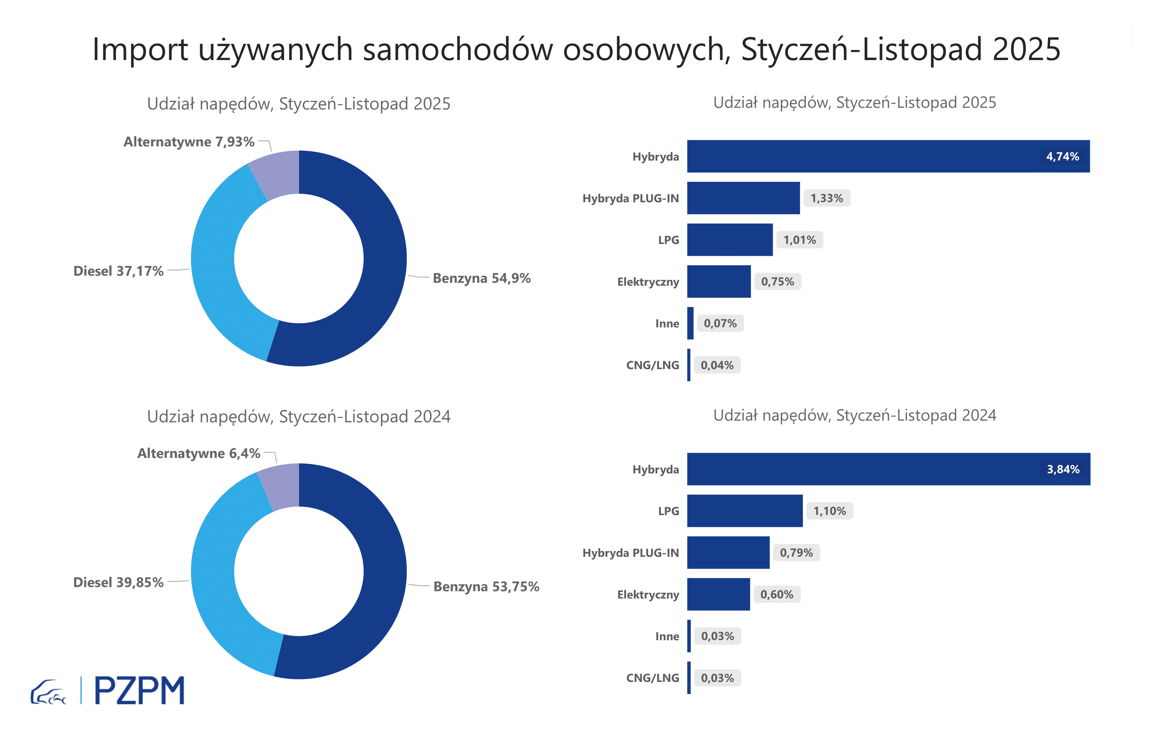

First Registrations of Used Passenger Cars by Fuel Type
Fuel Type | January-November 2024 |  | January-November 2025 |  | Volume Change y/y | Market Share Change y/y
 | thousand units | share % | thousand units | share %
Petrol | 439,7 | 53.8% | 435,7 | 54.9% | -0.9% | +1,2 pp
Diesel | 326,0 | 39.9% | 294,9 | 37.2% | -9.5% | -2,7 pp
AFV / Others | 52,3 | 6.4% | 62,9 | 7.9% | 20.2% | +1,5 pp
including:
Electric | 4.9 | 0.6% | 5.9 | 0.7% | 21.2% | +0,1 pp
Hybrid | 31.4 | 3.8% | 37.6 | 4.7% | 19.5% | +0,9 pp
Hybrid Plug-In | 6.4 | 0.8% | 10.5 | 1.3% | 63.6% | +0,5 pp
LPG | 9.0 | 1.1% | 8.0 | 1.0% | -11.4% | -0,1 pp
CNG/LNG | 0.3 | 0.0% | 0.3 | 0.0% | 9.1% | +0,0 pp
Others / N.A. | 0.3 | 0.0% | 0.6 | 0.1% | 113.9% | +0,0 pp

3 - TOP_brands
First registrations - used passenger cars imported to Poland - TOP 10 in 2025
First registrations of used passenger cars in Poland*
No.** | Make | January-November 2024 | January-November 2025 | Change % r/r
1 | VOLKSWAGEN | 80,662 | 74,940 | -7.1%
2 | FORD | 77,270 | 73,657 | -4.7%
3 | OPEL | 73,861 | 69,346 | -6.1%
4 | AUDI | 66,358 | 59,501 | -10.3%
5 | BMW | 52,244 | 50,010 | -4.3%
6 | MERCEDES-BENZ | 39,217 | 41,249 | 5.2%
7 | PEUGEOT | 37,704 | 38,809 | 2.9%
8 | HYUNDAI | 35,871 | 37,529 | 4.6%
9 | RENAULT | 37,801 | 34,342 | -9.2%
10 | TOYOTA | 31,527 | 29,040 | -7.9%
* source: PZPM based on CEP
** based on registrations in 2025

